explainedequation
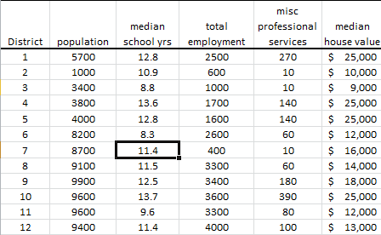

District | population | median School yrs | total employment | misc professional services | median house value | PC1 | PC2 | PC3 | PC4 | PC5
1 | 5700 | 12.8 | 2500 | 270 | 25000 | -425.9616
2 | 1000 | 10.9 | 600 | 600 | 10000 | -318.1173
3 | 3400 | 8.8 | 1000 | 1000 | 9000 | 694.2264
4 | 3800 | 13.6 | 1700 | 1700 | 25000 | -327.2592
5 | 4000 | 12.8 | 1600 | 1600 | 25000 | -372.1616

